Instructions
Instructions

Overview

Watch the video to find out how EXCEL's INDIRECT Function works
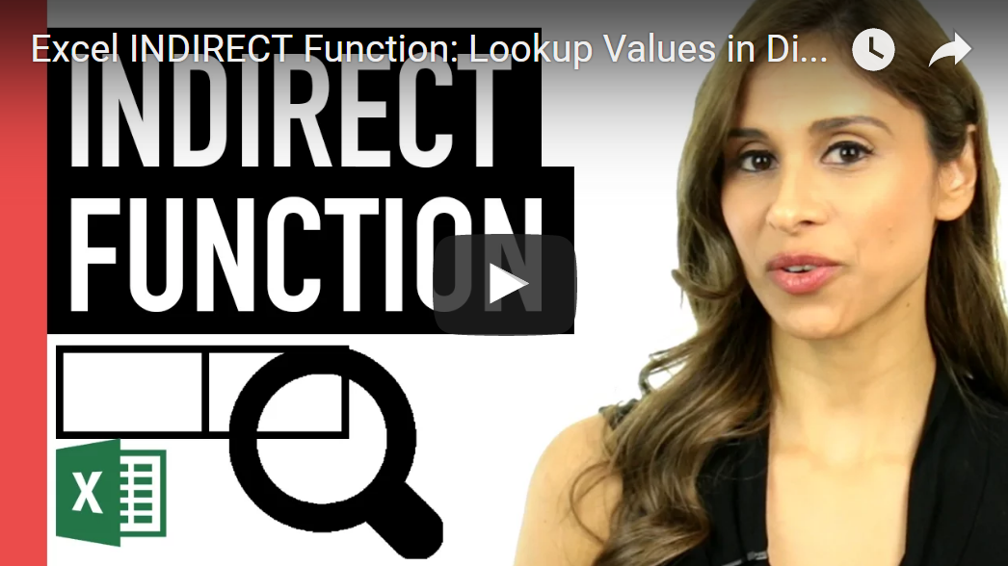

See my complete list of online Excel courses
New Excel Dashboard Course is currently in the making - to be released in Q2 2017

Sharing & Learning
Feel free to share this with anyone who can benefit!

